HMIS
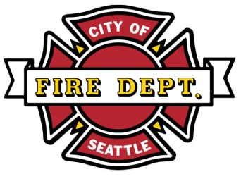 |  |  | Seattle Fire Prevention Division 220 3rd Avenue South, 2nd Floor Seattle, WA 98104 (206) 386-1450 |  | HAZARDOUS MATERIAL INVENTORY STATEMENT (HMIS) For Use with SFD 4501-4505, 7904, 801 & 8002 Permits
Responsible Party
(1) Completed HMIS's must be submitted along with your permit application by email to: |  |  |  |  | permits@seattle.gov
(2) Materials must be reported separately for each control area. For assistance, visit the User's HMIS Guideline document: |  |  |  |  |  | http://www.seattle.gov/fire/business-services/permits
Name of firm/permit holder:
Mailing address: |  |  |  |  | City: |  | State: |  | Zip:
Jobsite address:
Name of onsite contact: |  |  |  |  | Onsite phone: |  |  | Email:

 | 1 | 2 | 3 | 4 |  | 5 | 6 |  |  | 7 | 8
No. | Location | * Hazard Class | Product Name | a | b | Chemical Abstract Service No. | Quantities |  |  | Container | Physical State
 |  |  |  | Components | Concentration |  | In Use Open | In Use Closed | In Storage | x>55 gallon
1
2
3
4
5
6
7
8
9
10
11
12
13
14
15
16
17
18
19
20
21
22
23
24
25
26
27
28
29
30
31
32
33
34
35
36
37
38
39
40
41
42
43
44
45
46
47
48
49
50
51
52
53
54
55
56
57
58
59
60
61
62
63
64
65
66
67
68
69
70
71
72
73
74
75
76
77
78
79
80
81
82
83
84
85
86
87
88
89
90
 |  |  |  |  |  | TOTAL OF QUANTITIES

