Instructions
Cistern Rebate Calculator Instructions

1. On the "Cistern Rebate Calculator" tab enter project information.

2. Enter total contributing roof area in square feet.

3. Enter total number of connected cisterns.

4. Select the cistern type or select "user input" to enter a custom cistern.

5. If you entered "user input" in step 4, enter the overflow height, total height and volume for a single cistern.
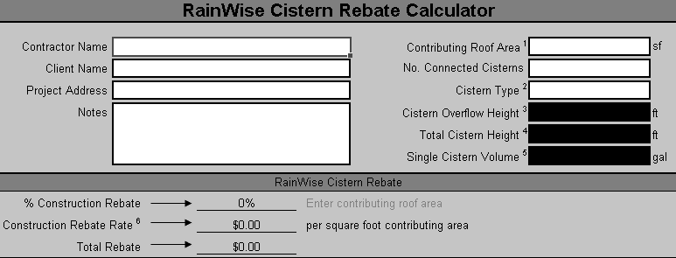

1
2
3

4
5

